Hiearchy View
CLASS: REQUEST TO EXIT
a sensor or trigger that causes a door to unlock for somebody leaving a secured area |  | 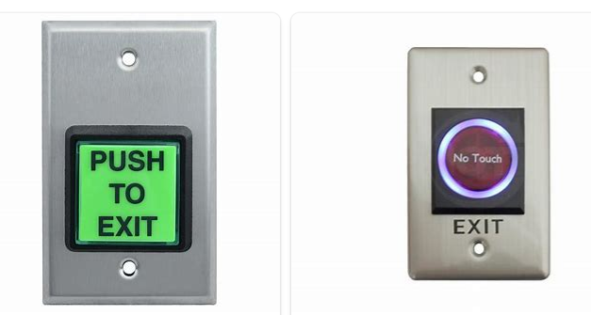
REMOVE | N

PROBLEM_DESC | CAUSE_DESC | REMEDY_DESC
BROKEN/DAMAGED
NOISE
OTHER PROBLEM
OVERHEATING
POWER-ELEC
STOPPED/SLOWED/POOR OPS
TEMP-CTRL
VIBRATION
Grand Total

